Slope Length Chart
Percent Slope | Slope Length
 | 25 | 50 | 75 | 100 | 150 | 200 | 250 | 300 | 350 | 400 | 450 | 500 | 550 | 600 | 700 | 800 | 1000 | 1200
0.5 | 0.07 | 0.08 | 0.09 | 0.10 | 0.10 | 0.11 | 0.11 | 0.12 | 0.12 | 0.13 | 0.13 | 0.13 | 0.13 | 0.14 | 0.14 | 0.14 | 0.15 | 0.16
1 | 0.09 | 0.11 | 0.12 | 0.12 | 0.14 | 0.14 | 0.15 | 0.16 | 0.16 | 0.16 | 0.17 | 0.17 | 0.18 | 0.18 | 0.18 | 0.19 | 0.20 | 0.21
2 | 0.13 | 0.16 | 0.18 | 0.20 | 0.23 | 0.25 | 0.26 | 0.28 | 0.29 | 0.30 | 0.32 | 0.33 | 0.33 | 0.34 | 0.36 | 0.37 | 0.40 | 0.42
3 | 0.19 | 0.23 | 0.26 | 0.29 | 0.32 | 0.35 | 0.38 | 0.40 | 0.42 | 0.43 | 0.45 | 0.46 | 0.48 | 0.49 | 0.51 | 0.54 | 0.57 | 0.60
4 | 0.23 | 0.30 | 0.36 | 0.40 | 0.47 | 0.53 | 0.58 | 0.62 | 0.66 | 0.70 | 0.73 | 0.76 | 0.79 | 0.82 | 0.87 | 0.92 | 1.00 | 1.08
5 | 0.27 | 0.38 | 0.46 | 0.53 | 0.65 | 0.76 | 0.85 | 0.93 | 1.00 | 1.07 | 1.13 | 1.20 | 1.25 | 1.31 | 1.41 | 1.51 | 1.69 | 1.85
6 | 0.34 | 0.47 | 0.58 | 0.67 | 0.82 | 0.95 | 1.06 | 1.16 | 1.26 | 1.34 | 1.42 | 1.50 | 1.57 | 1.65 | 1.78 | 1.90 | 2.12 | 2.33
7 | 0.41 | 0.58 | 0.71 | 0.82 | 1.01 | 1.16 | 1.30 | 1.43 | 1.54 | 1.65 | 1.75 | 1.84 | 1.93 | 2.02 | 2.18 | 2.33 | 2.60 | 2.85
8 | 0.49 | 0.70 | 0.86 | 0.99 | 1.21 | 1.40 | 1.56 | 1.71 | 1.85 | 1.98 | 2.10 | 2.21 | 2.32 | 2.42 | 2.62 | 2.80 | 3.13 | 3.43
9 | 0.59 | 0.83 | 1.01 | 1.17 | 1.43 | 1.66 | 1.85 | 2.03 | 2.19 | 2.34 | 2.48 | 2.62 | 2.74 | 2.87 | 3.10 | 3.31 | 3.70 | 4.05
10 | 0.68 | 0.96 | 1.17 | 1.35 | 1.66 | 1.92 | 2.14 | 2.35 | 2.53 | 2.71 | 2.87 | 3.03 | 3.18 | 3.32 | 3.58 | 3.83 | 4.28 | 4.69
12 | 0.87 | 1.23 | 1.51 | 1.74 | 2.13 | 2.46 | 2.75 | 3.02 | 3.26 | 3.48 | 3.69 | 3.89 | 4.08 | 4.27 | 4.61 | 4.93 | 5.51 | 6.03
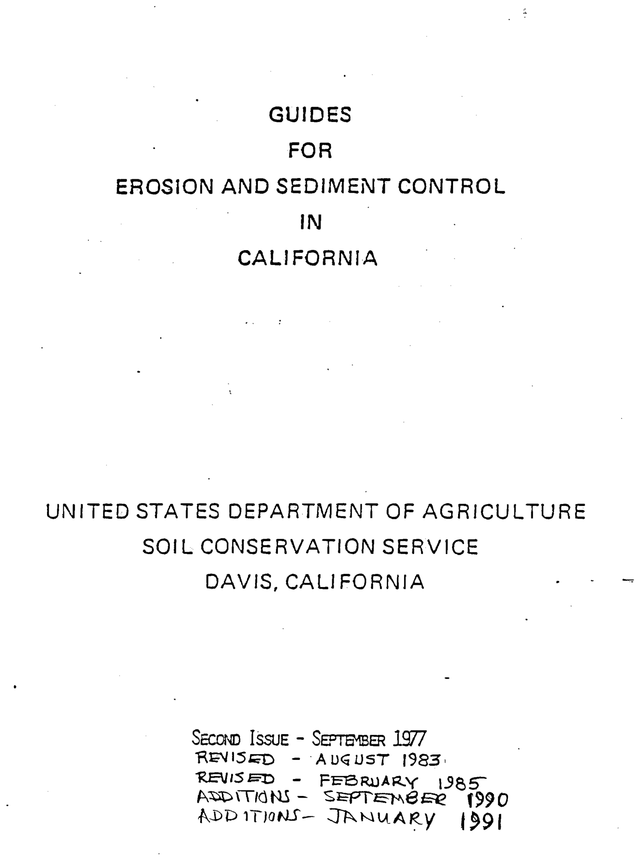
14 | 1.08 | 1.52 | 1.86 | 2.15 | 2.63 | 3.04 | 3.40 | 3.73 | 4.02 | 4.30 | 4.56 | 4.81 | 5.04 | 5.27 | 5.69 | 6.08 | 6.80 | 7.45
16 | 1.29 | 1.82 | 2.23 | 2.58 | 3.16 | 3.65 | 4.08 | 4.47 | 4.82 | 5.16 | 5.47 | 5.77 | 6.05 | 6.32 | 6.82 | 7.29 | 8.15 | 8.93
18 | 1.51 | 2.14 | 2.62 | 3.02 | 3.70 | 4.27 | 4.78 | 5.23 | 5.65 | 6.04 | 6.41 | 6.76 | 7.09 | 7.40 | 7.99 | 8.55 | 9.56 | 10.47
20 | 1.74 | 2.46 | 3.01 | 3.48 | 4.26 | 4.92 | 5.50 | 6.02 | 6.51 | 6.96 | 7.38 | 7.78 | 8.16 | 8.52 | 9.20 | 9.84 | 11.00 | 12.05
22 | 1.97 | 2.79 | 3.42 | 3.94 | 4.83 | 5.58 | 6.24 | 6.83 | 7.38 | 7.89 | 8.37 | 8.82 | 9.25 | 9.66 | 10.43 | 11.15 | 12.47 | 13.66
24 | 2.21 | 3.12 | 3.83 | 4.42 | 5.41 | 6.25 | 6.99 | 7.65 | 8.26 | 8.84 | 9.37 | 9.88 | 10.36 | 10.82 | 11.69 | 12.50 | 13.97 | 15.30
26 | 2.45 | 3.46 | 4.24 | 4.90 | 6.00 | 6.93 | 7.74 | 8.48 | 9.16 | 9.80 | 10.39 | 10.95 | 11.49 | 12.00 | 12.96 | 13.85 | 15.49 | 16.97
28 | 2.69 | 3.81 | 4.66 | 5.38 | 6.59 | 7.61 | 8.51 | 9.32 | 10.07 | 10.76 | 11.42 | 12.03 | 12.62 | 13.18 | 14.24 | 15.22 | 17.02 | 18.64
30 | 2.93 | 4.15 | 5.08 | 5.87 | 7.19 | 8.30 | 9.28 | 10.16 | 10.98 | 11.73 | 12.45 | 13.12 | 13.76 | 14.37 | 15.52 | 16.59 | 18.55 | 20.32
32 | 3.18 | 4.49 | 5.50 | 6.35 | 7.78 | 8.99 | 10.05 | 11.00 | 11.89 | 12.71 | 13.48 | 14.21 | 14.90 | 15.56 | 16.81 | 17.97 | 20.09 | 22.01
34 | 3.42 | 4.84 | 5.92 | 6.84 | 8.38 | 9.67 | 10.81 | 11.84 | 12.79 | 13.68 | 14.51 | 15.29 | 16.04 | 16.75 | 18.09 | 19.34 | 21.62 | 23.69
36 | 3.66 | 5.18 | 6.34 | 7.32 | 8.97 | 10.35 | 11.58 | 12.68 | 13.70 | 14.64 | 15.53 | 16.37 | 17.17 | 17.93 | 19.37 | 20.71 | 23.15 | 25.36
38 | 3.90 | 5.52 | 6.75 | 7.80 | 9.55 | 11.03 | 12.33 | 13.51 | 14.59 | 15.60 | 16.55 | 17.44 | 18.29 | 19.10 | 20.64 | 22.06 | 24.66 | 27.02
40 | 4.14 | 5.85 | 7.16 | 8.27 | 10.13 | 11.70 | 13.08 | 14.33 | 15.48 | 16.55 | 17.55 | 18.50 | 19.40 | 20.26 | 21.89 | 23.40 | 26.16 | 28.66
45 | 4.71 | 6.67 | 8.17 | 9.43 | 11.55 | 13.33 | 14.91 | 16.33 | 17.64 | 18.86 | 20.00 | 21.08 | 22.11 | 23.09 | 24.94 | 26.67 | 29.81 | 32.66
50 | 5.27 | 7.45 | 9.12 | 10.53 | 12.90 | 14.89 | 16.65 | 18.24 | 19.70 | 21.06 | 22.34 | 23.55 | 24.70 | 25.80 | 27.87 | 29.79 | 33.31 | 36.48
55 | 5.79 | 8.18 | 10.02 | 11.57 | 14.18 | 16.37 | 18.30 | 20.05 | 21.65 | 23.15 | 24.55 | 25.88 | 27.14 | 28.35 | 30.62 | 32.74 | 36.60 | 40.09
60 | 6.27 | 8.87 | 10.87 | 12.55 | 15.37 | 17.75 | 19.84 | 21.73 | 23.47 | 25.10 | 26.62 | 28.06 | 29.43 | 30.74 | 33.20 | 35.49 | 39.68 | 43.47

SLOPE-EFFECT CHART Predicting Rainfall Erosion Losses
 | 0.5 | 1 | 2 | 3 | 4 | 5 | 6 | 7 | 8 | 9 | 10 | 12
25 | 0.07 | 0.09 | 0.13 | 0.19 | 0.23 | 0.27 | 0.34 | 0.41 | 0.49 | 0.59 | 0.68 | 0.87
50 | 0.08 | 0.11 | 0.16 | 0.23 | 0.30 | 0.38 | 0.47 | 0.58 | 0.70 | 0.83 | 0.96 | 1.23
75 | 0.09 | 0.12 | 0.18 | 0.26 | 0.36 | 0.46 | 0.58 | 0.71 | 0.86 | 1.01 | 1.17 | 1.51
100 | 0.10 | 0.12 | 0.20 | 0.29 | 0.40 | 0.53 | 0.67 | 0.82 | 0.99 | 1.17 | 1.35 | 1.74
150 | 0.10 | 0.14 | 0.23 | 0.32 | 0.47 | 0.65 | 0.82 | 1.01 | 1.21 | 1.43 | 1.66 | 2.13
200 | 0.11 | 0.14 | 0.25 | 0.35 | 0.53 | 0.76 | 0.95 | 1.16 | 1.40 | 1.66 | 1.92 | 2.46
250 | 0.11 | 0.15 | 0.26 | 0.38 | 0.58 | 0.85 | 1.06 | 1.30 | 1.56 | 1.85 | 2.14 | 2.75
300 | 0.12 | 0.16 | 0.28 | 0.40 | 0.62 | 0.93 | 1.16 | 1.43 | 1.71 | 2.03 | 2.35 | 3.02
350 | 0.12 | 0.16 | 0.29 | 0.42 | 0.66 | 1.00 | 1.26 | 1.54 | 1.85 | 2.19 | 2.53 | 3.26
400 | 0.13 | 0.16 | 0.30 | 0.43 | 0.70 | 1.07 | 1.34 | 1.65 | 1.98 | 2.34 | 2.71 | 3.48
450 | 0.13 | 0.17 | 0.32 | 0.45 | 0.73 | 1.13 | 1.42 | 1.75 | 2.10 | 2.48 | 2.87 | 3.69
500 | 0.13 | 0.17 | 0.33 | 0.46 | 0.76 | 1.20 | 1.50 | 1.84 | 2.21 | 2.62 | 3.03 | 3.89
550 | 0.13 | 0.18 | 0.33 | 0.48 | 0.79 | 1.25 | 1.57 | 1.93 | 2.32 | 2.74 | 3.18 | 4.08
600 | 0.14 | 0.18 | 0.34 | 0.49 | 0.82 | 1.31 | 1.65 | 2.02 | 2.42 | 2.87 | 3.32 | 4.27
700 | 0.14 | 0.18 | 0.36 | 0.51 | 0.87 | 1.41 | 1.78 | 2.18 | 2.62 | 3.10 | 3.58 | 4.61
800 | 0.14 | 0.19 | 0.37 | 0.54 | 0.92 | 1.51 | 1.90 | 2.33 | 2.80 | 3.31 | 3.83 | 4.93
1000 | 0.15 | 0.20 | 0.40 | 0.57 | 1.00 | 1.69 | 2.12 | 2.60 | 3.13 | 3.70 | 4.28 | 5.51
1200 | 0.16 | 0.21 | 0.42 | 0.60 | 1.08 | 1.85 | 2.33 | 2.85 | 3.43 | 4.05 | 4.69 | 6.03

R Factor
Source: Table A-1 "Guides for Erosion and Sediment Control in California", USDA-SCS, Davis CA, 1996, pg. A-3
R Zone 1 | 2-Year/6-Hour Precipitation (Inches)
10 | <0.7
10 | 0.7
10 | 0.8
15 | 0.9
15 | 1
20 | 1.1
25 | 1.2
30 | 1.3
35 | 1.4
40 | 1.5
45 | 1.6
50 | 1.7
60 | 1.8
65 | 1.9
75 | 2
85 | 2.1
90 | 2.2
100 | 2.3
110 | 2.4
120 | 2.5
130 | 2.6
145 | 2.7
155 | 2.8
165 | 2.9
180 | 3
195 | 3.1
205 | 3.2
220 | 3.3
235 | 3.4
250 | 3.5
265 | 3.6
285 | 3.7
300 | 3.8
315 | 3.9
335 | 4

C Factor Permanent Pasture...
Factor C for Permanent Pasture, Range, Idle Land, or Grazed Woodland¹. Source: Table 10 “Predicting Rainfall Erosion Losses”, USDA Handbook No. 537 .

C Factor Forest
Factor C for undisturbed forest land¹ . Source: Table 11 “Predicting Rainfall Erosion Losses”, USDA Handbook No. 537 .

¹ Where effective litter cover is less than 40 percent or canopy cover is less than 20%,
use table 10. Also use table 10 where woodlands are being grazed, harvested, or burned.
For sites that are mechanically treated following farvest, use table 12. See errata.
² The ranges in listed C values are caused by the ranges in the specified forest litter
and canopy covers and by variations in effective canopy heights.

Woodland that is grazed or burned, or has been recently harvested, does not merit the extremely
low C values in table 11. For these conditions, C is obtained from table 10. However, the buildup of
organic matter in the topsoil under permanent woodland conditions is an added factor that should
be accounted for by a reduction in the C value read from table 10. An earlier publication (57)
recommended a factor of 0.7 for this purpose.

C Vineyards
USLE C Factors for Vineyards under Productive Conditions (3+ years old), interpolated. Source: Table 8 "Guides for Erosion and Sediment Control in California", USDA-SCS, Davis CA, 1991, pg. C-9

P Factor
P Factors for Erosion Control Practices. Source: Table 4 "Guides for Erosion and Sediment Control in California", USDA-SCS, Davis CA, 1991, pg.11

Slope | Vineyard Practices - P factor
 | Up & Down Hill | Cross-slope1 with tilling | Terrace 2 with tilling | Cross-slope, no tilling | Terrace, no tilling
2 – 7% | 1 | 0.75 | 0.5 | 0.37 | 0.25
7.1 – 12% | 1 | 0.8 | 0.6 | 0.45 | 0.3
12.1 – 18% | 1 | 0.9 | 0.8 | 0.6 | 0.4
18.1 - 24% | 1 | 0.95 | 0.9 | 0.67 | 0.45
¹ Must be near perpendicular to fall line to qualify.
² Terraces assumed to be cut or graded, not disked.

